Summary
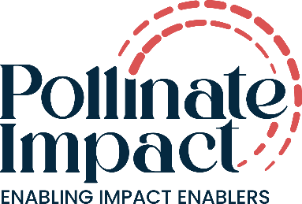
Incubator Performance Diagnostic
A structured self-reflection tool across seven core organisational dimensions
This diagnostic provides a structured approach to assessing incubator performance across capability, effectiveness, processes, and systems. It supports incubators in reflecting on how their practices are defined, implemented, and applied, and how these translate into measurable outcomes. The framework is designed to enable consistent self-assessment, identify areas for strengthening, and inform ongoing improvement. This diagnostic tool, based on 7 core dimensions & 42 sub dimensions, draws on many years of experience working alongside social incubators across diverse geographies and stages of growth. It reflects practical lessons learned from supporting leadership teams through strengthening incubation/acceleration, governance challenges, funding constraints, fund raising, creating alternate revenue streams, organisational transitions, and impact measurement journeys.Results should be interpreted based on organizational context.

Incubator Effectiveness – Summary Overview
Snapshot based on self-assessment across seven core dimensions
Dimension | Score (out of 30) | Maturity level | Links to each Dimension Sheet
Financial Sustainability |  |  | Click Here to go to the Financial Sustainability Tab
Donor Fundraising Effectiveness |  |  | Click Here to go to the Donor Fundraising Effectiveness Tab
Strength of Incubation & Acceleration |  |  | Click Here to go to the Strength of Incubation & Acceleration Tab
Leadership & Talent Development |  |  | Click Here to go to the Leadership & Talent Development Tab
Governance & Board Effectiveness |  |  | Click Here to go to the Governance & Board Effectiveness Tab
Succession Planning & Organisational Continuity |  |  | Click Here to go to the Succession Planning & Organisational Continuity Tab
Impact Measurement, Learning & Credibility |  |  | Click Here to go to the Impact Measurement, Learning & Credibility Tab

Interpretation of the Score
0–12 | Fragile – Immediate attention required
13–20 | Emerging – Foundations exist but need strengthening
21–26 | Strong – Solid systems with room to mature
27–30 | Leading Practice – A model others can learn from

